Problem
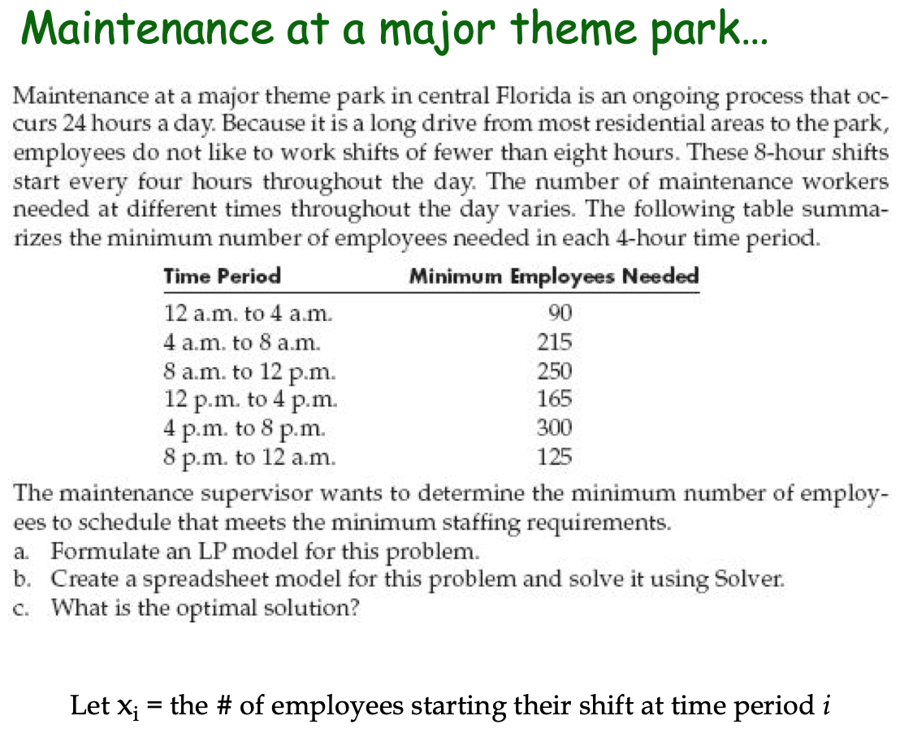

Solution
Theme Park Problem |  | Si = number of people joining in Shift i

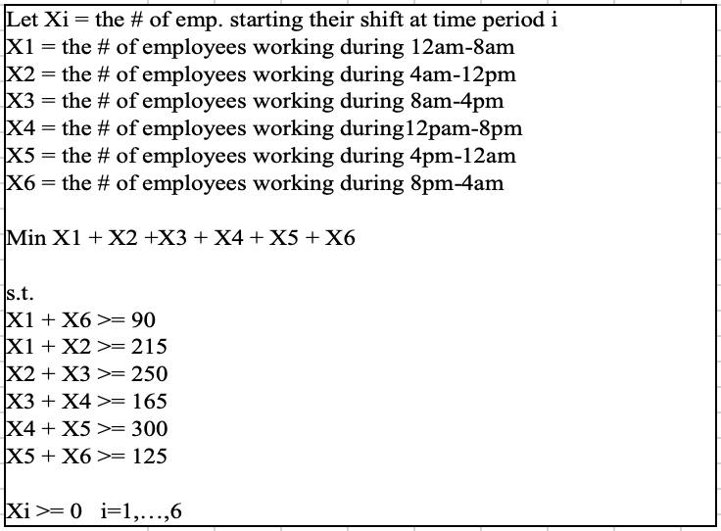
 | S1 | S2 | S3 | S4 | S5 | S6
No of Employees in each shift | 90 | 250 | 0 | 175 | 125 | 0
Total Employees | 1 | 1 | 1 | 1 | 1 | 1 | 640
12am-4am | 1 |  |  |  |  | 1 | 90 | >= | 90
4am to 8am | 1 | 1 |  |  |  |  | 340 | >= | 215
8am to 12noon |  | 1 | 1 |  |  |  | 250 | >= | 250
12noon to 4pm |  |  | 1 | 1 |  |  | 175 | >= | 165
4pm to 8pm |  |  |  | 1 | 1 |  | 300 | >= | 300
8pm to 12 am |  |  |  |  | 1 | 1 | 125 | >= | 125

 | Sensitivity Analysis Report
 | Objective Cell (Min)
 |  | Cell | Name | Final Value
 |  | $I$5 | Total Employees | 640

 | Decision Variable Cells
 |  |  |  | Final | Reduced | Objective | Allowable | Allowable
 |  | Cell | Name | Value | Cost | Coefficient | Increase | Decrease
 |  | $C$4 | No of Employees in each shift S1 | 90 | 0 | 1 | 0.0000001 | 1.0000001
 |  | $D$4 | No of Employees in each shift S2 | 250 | 0 | 1 | 0.0000001 | 1.0000001
 |  | $E$4 | No of Employees in each shift S3 | 0 | 0 | 1 | 1E+30 | 0
 |  | $F$4 | No of Employees in each shift S4 | 175 | 0 | 1 | 0.0000001 | 0.0000001
 |  | $G$4 | No of Employees in each shift S5 | 125 | 0 | 1 | 0.0000001 | 0.0000001
 |  | $H$4 | No of Employees in each shift S6 | 0 | 0 | 1 | 1E+30 | 0

 | Constraints
 |  |  |  | Final | Shadow | Constraint | Allowable | Allowable
 |  | Cell | Name | Value | Price | R.H. Side | Increase | Decrease
 |  | $I$6 | 12am-4am | 90 | 1 | 90 | 1E+30 | 90
 |  | $I$7 | 4am to 8am | 340 | 0 | 215 | 125 | 1E+30
 |  | $I$8 | 8am to 12noon | 250 | 1 | 250 | 1E+30 | 125
 |  | $I$9 | 12noon to 4pm | 175 | 0 | 165 | 10 | 1E+30
 |  | $I$10 | 4pm to 8pm | 300 | 1 | 300 | 1E+30 | 10
 |  | $I$11 | 8pm to 12 am | 125 | 0 | 125 | 10 | 125

